Q1
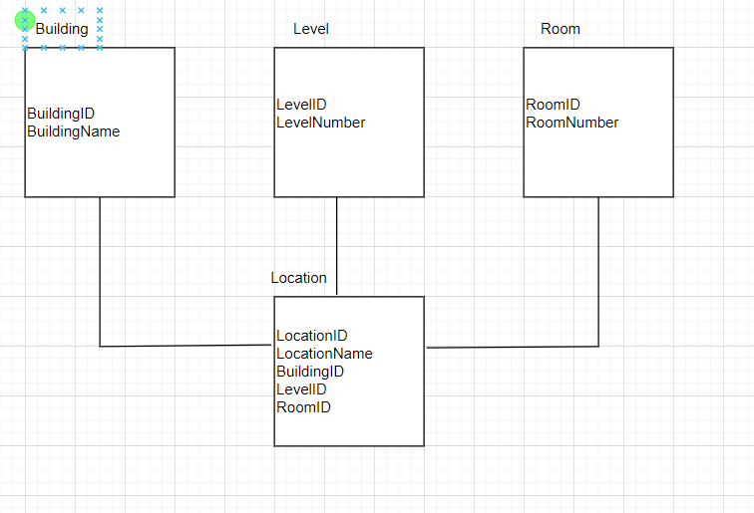
1. Database Design
 | Design the database to store pieces of information in the below
1.1. Store the address location (building, level, room, carpark, lobby, pantry,...).
 | Example:
 | Building A - Carpark
 | Building A - Level 2
 | Building A - Level 2 - Room 201
 | Building B - Level 1 - Pantry
 | Building B - Level 1 - Room 101
 | Building B - Level 1 - Room 101 - Lobby C
 | Building B - Level 1 - Room 101 - Lobby C - Kios A
 | Building B - Level 1 - Room 101 - Lobby C - Kios A - XXX
 | Building B - Level 1 - Room 101 - Lobby C - Kios A - XXX - ...

Answer
 | DB design

